Step1

Step1. | Go to Github and click 'Sign up'.
https://github.com/

Step2
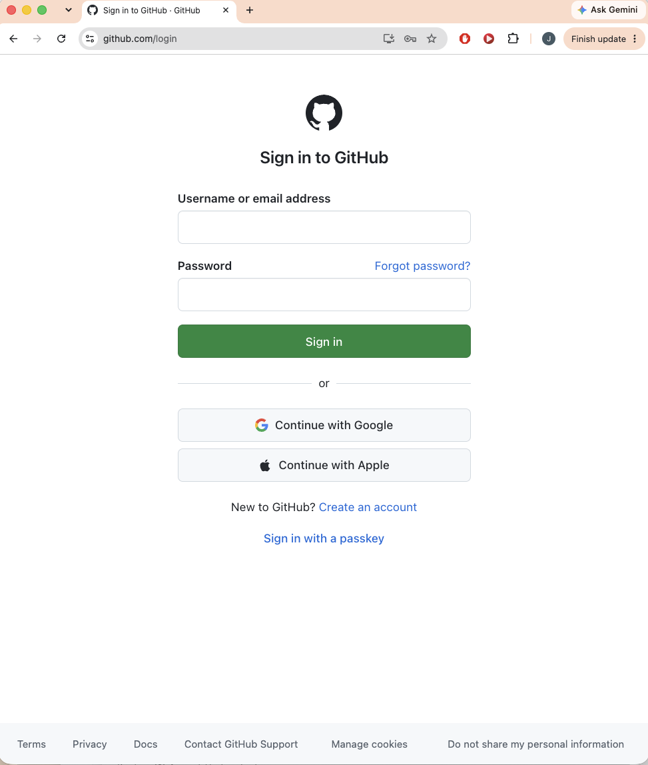
Step2. | Sign in to Github.

Step3
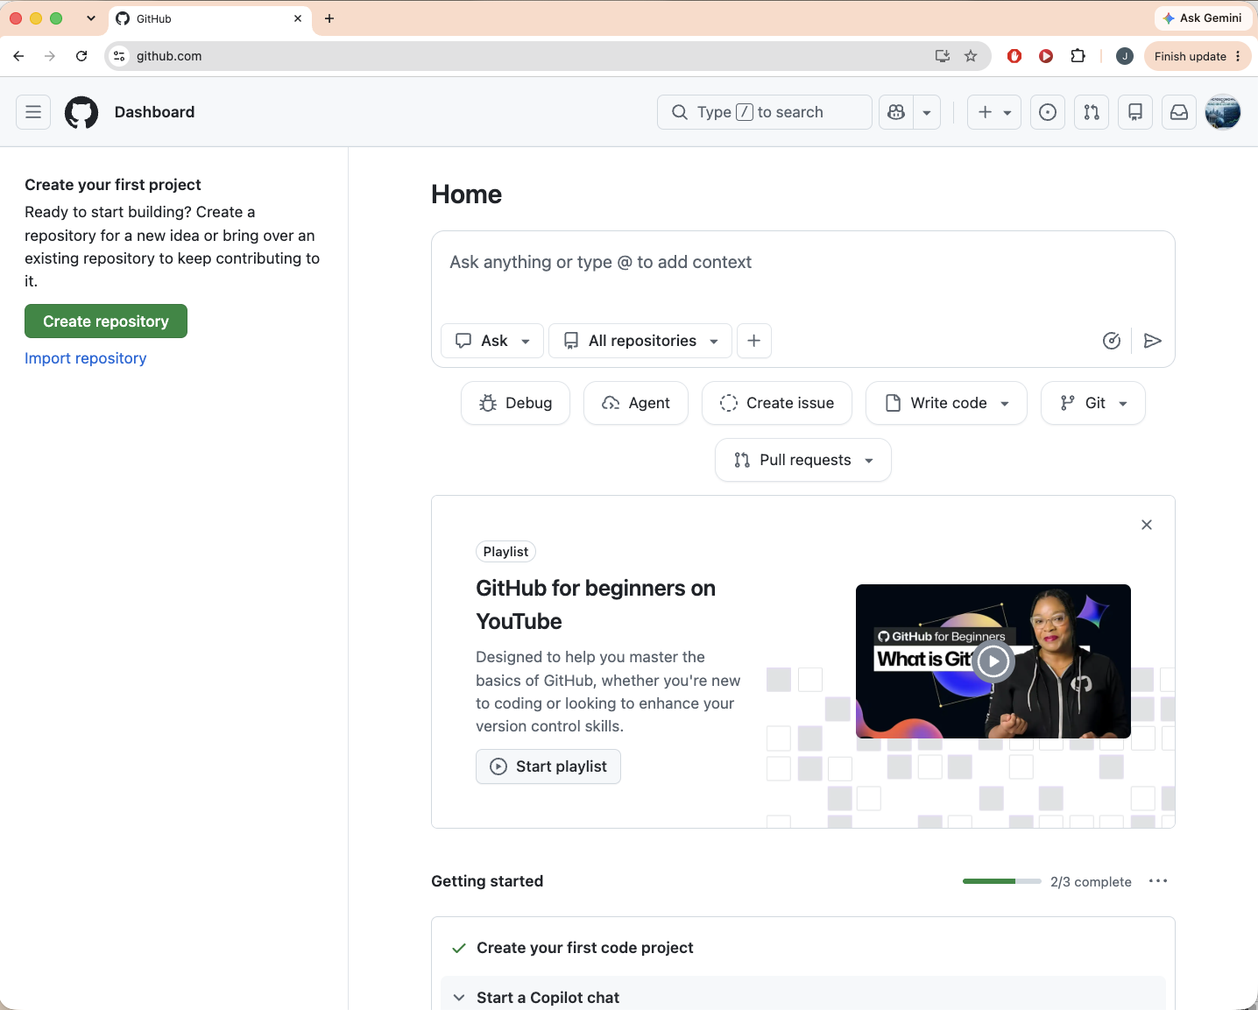
Step3. | Click 'Create repository'.

Step4
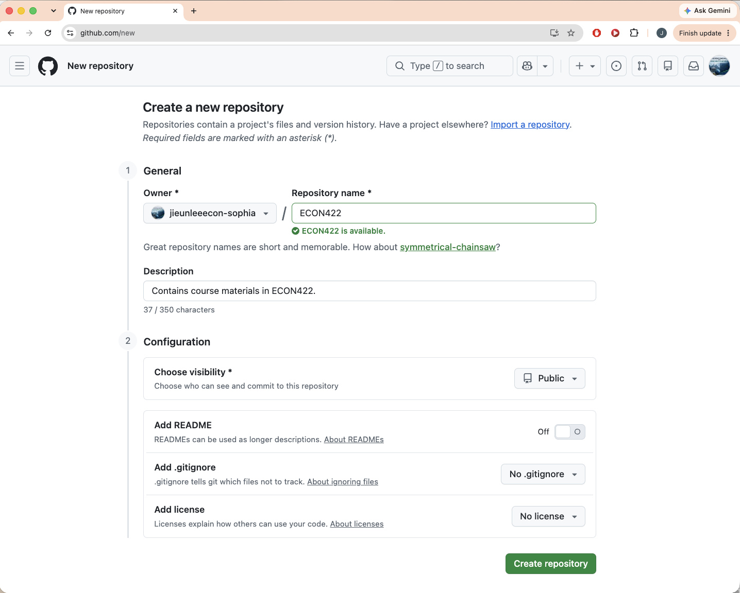
Step4. | Make a repository name and click 'Create repository'.

Step4-2
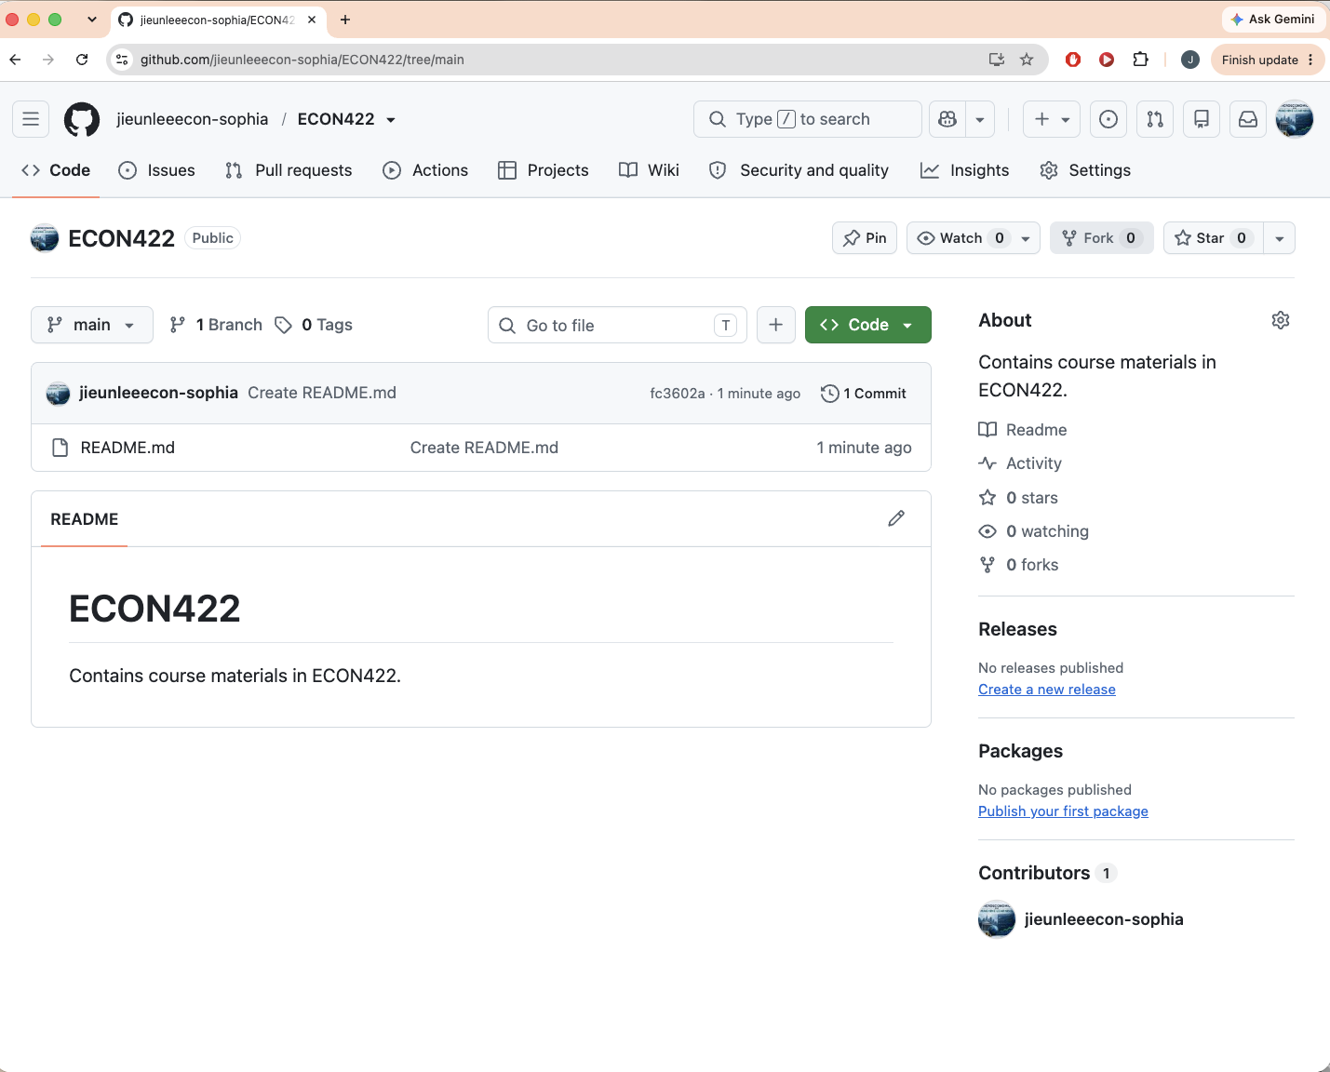
Step5. | Click 'README' -> Write some descriptions (e.g., portfolio) and hit 'Commit changes' -> Hit 'Commit changes'
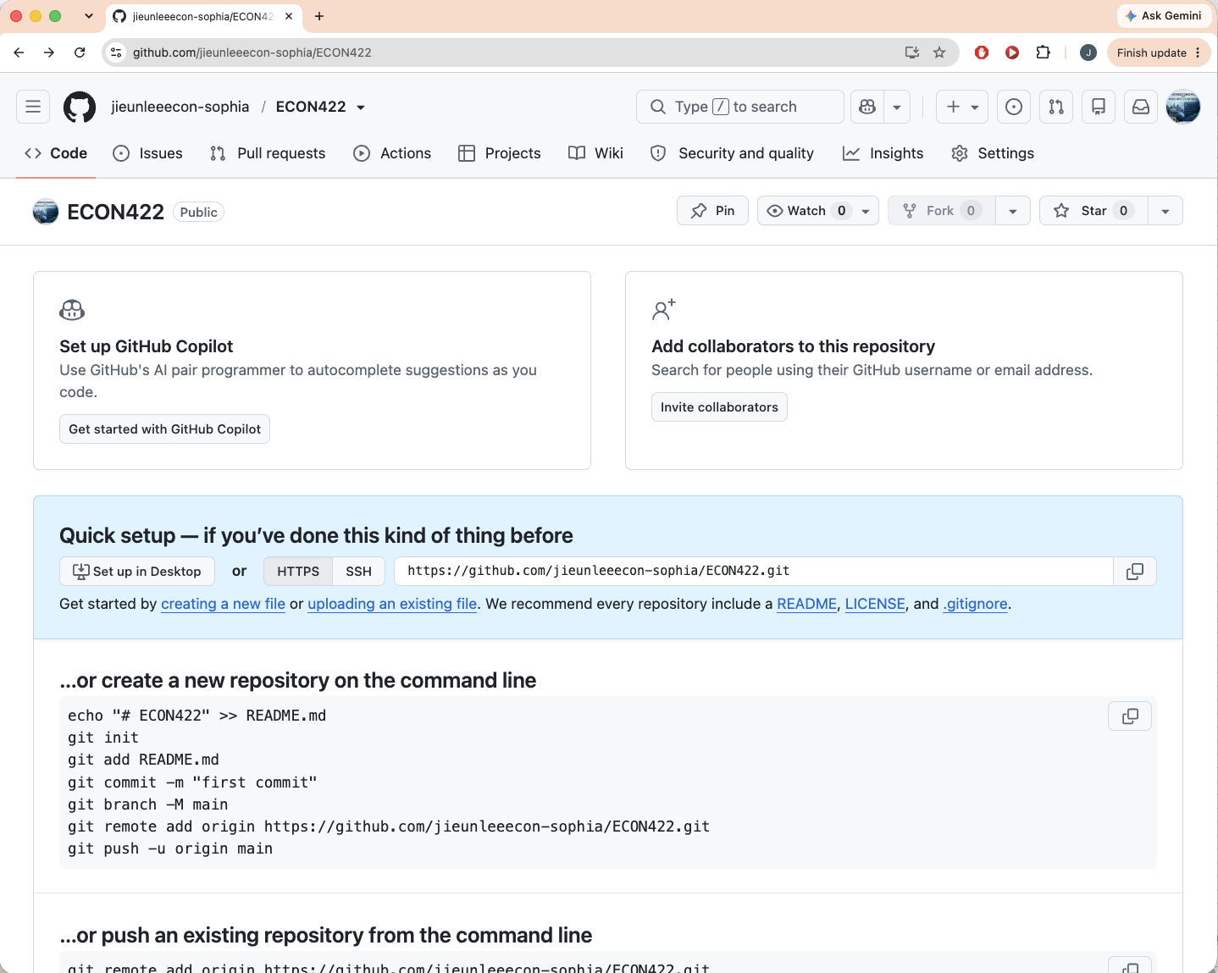

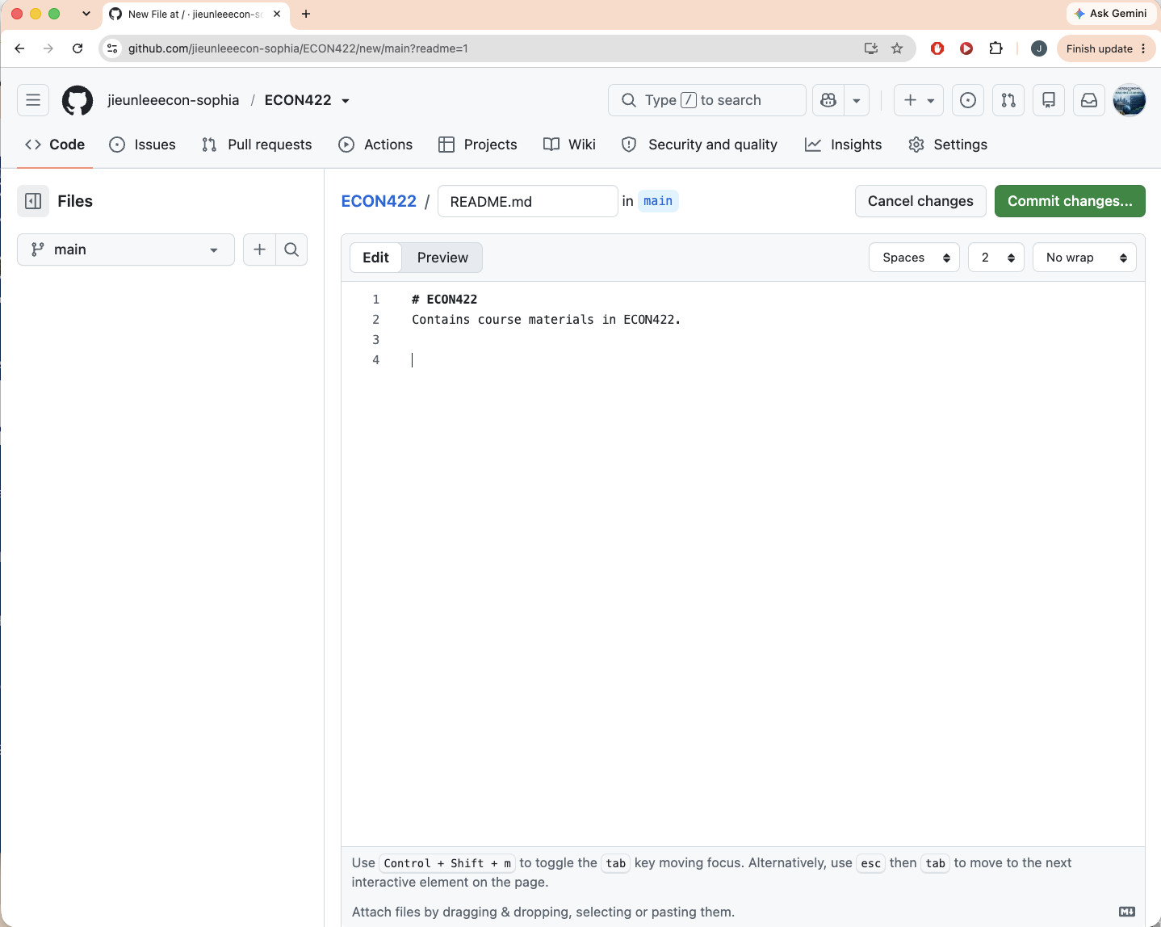

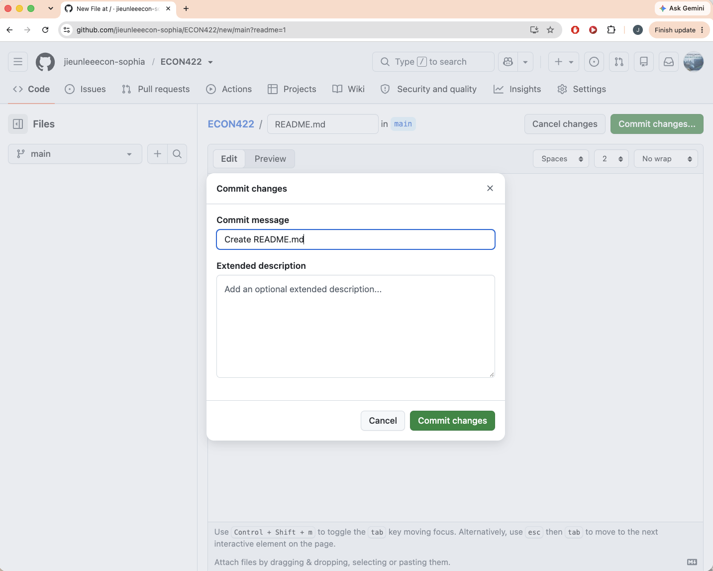

Then you have one README file on your github.

Step5
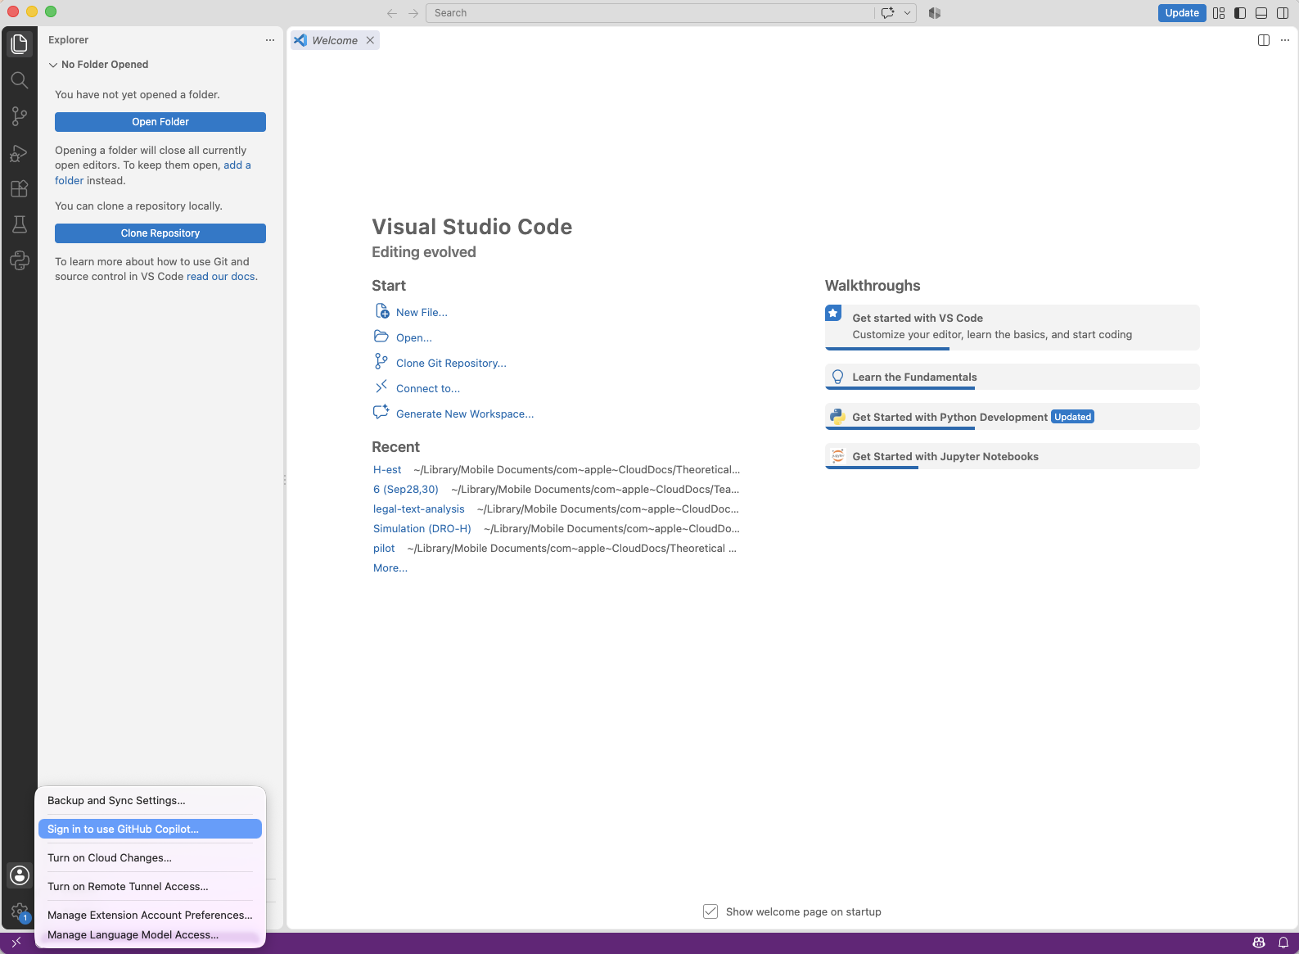
Step5. | Open a visual studio and click 'Sign in to use GitHub Copilot'

Step6
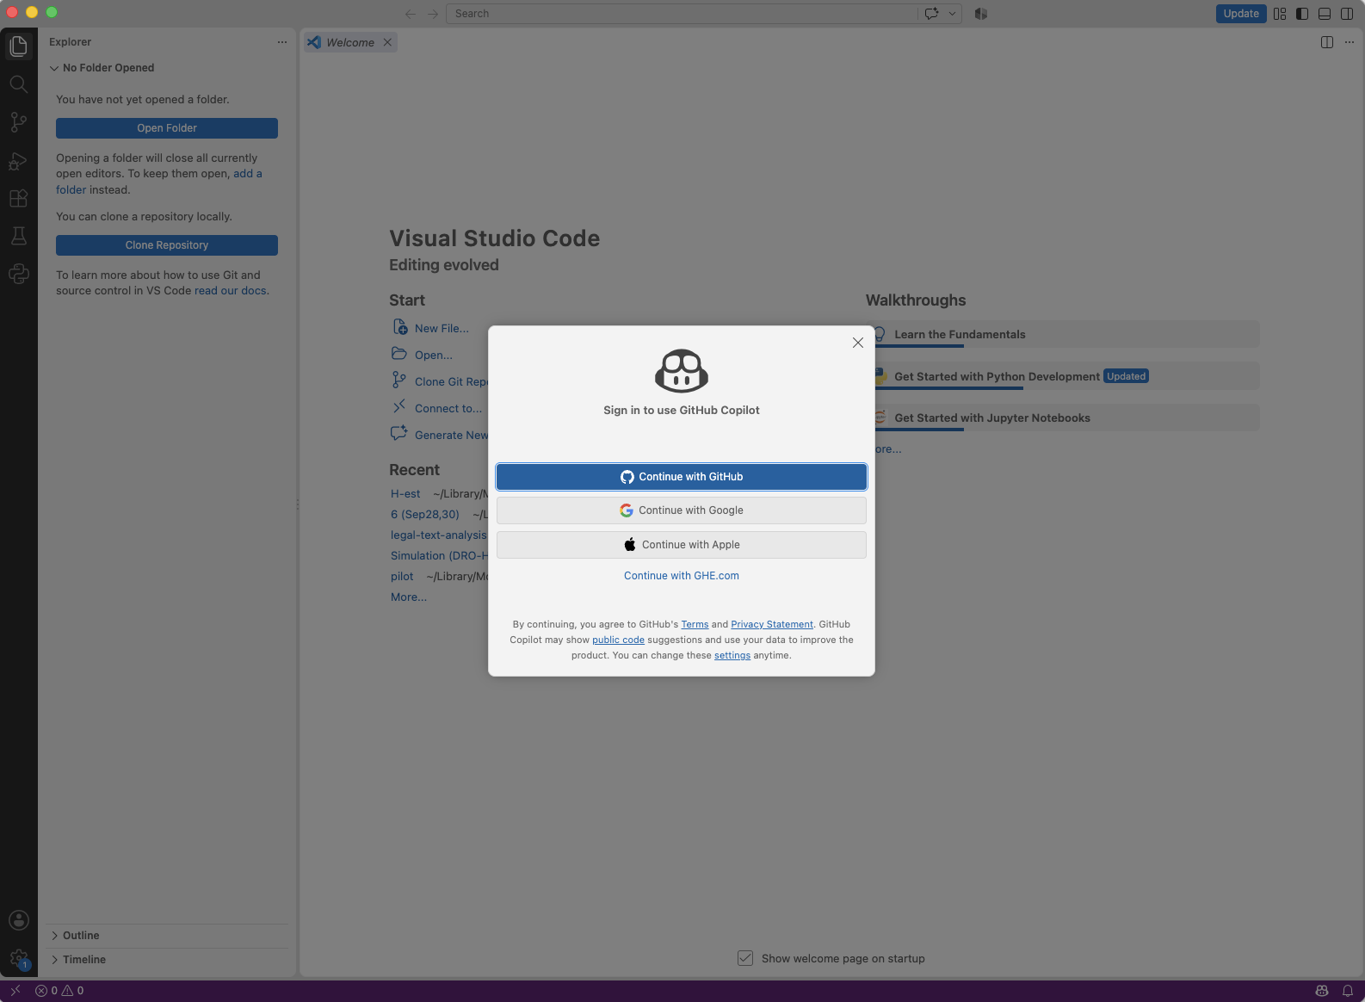
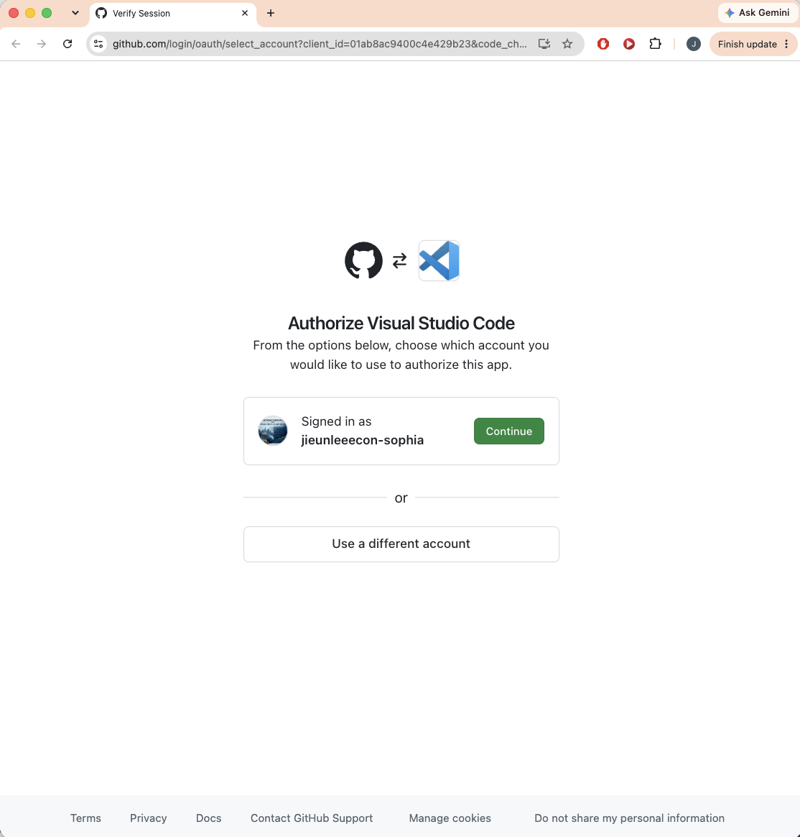
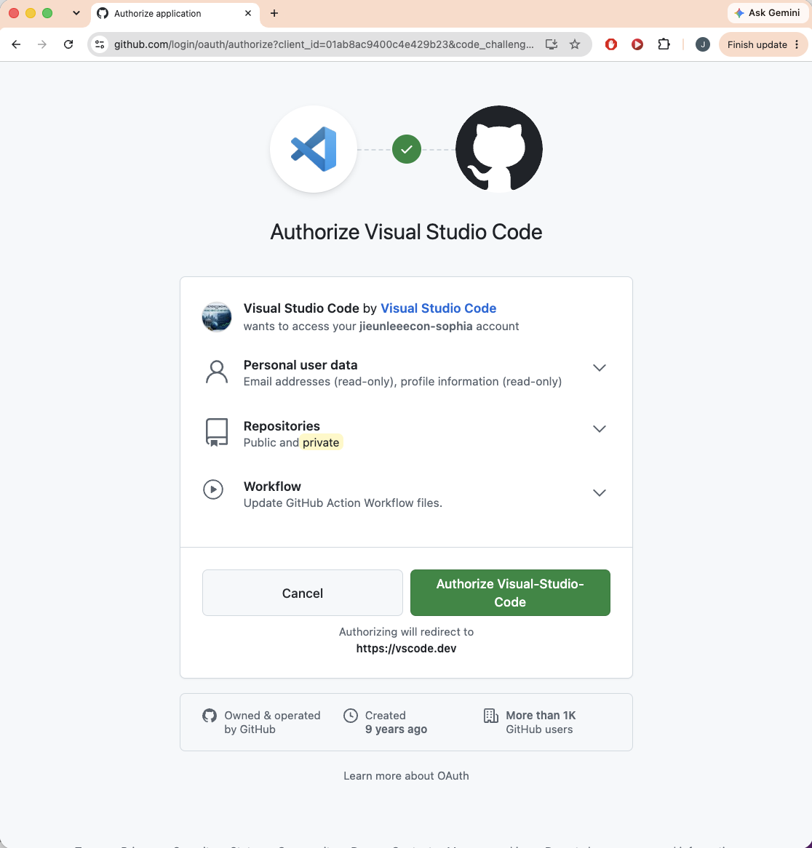
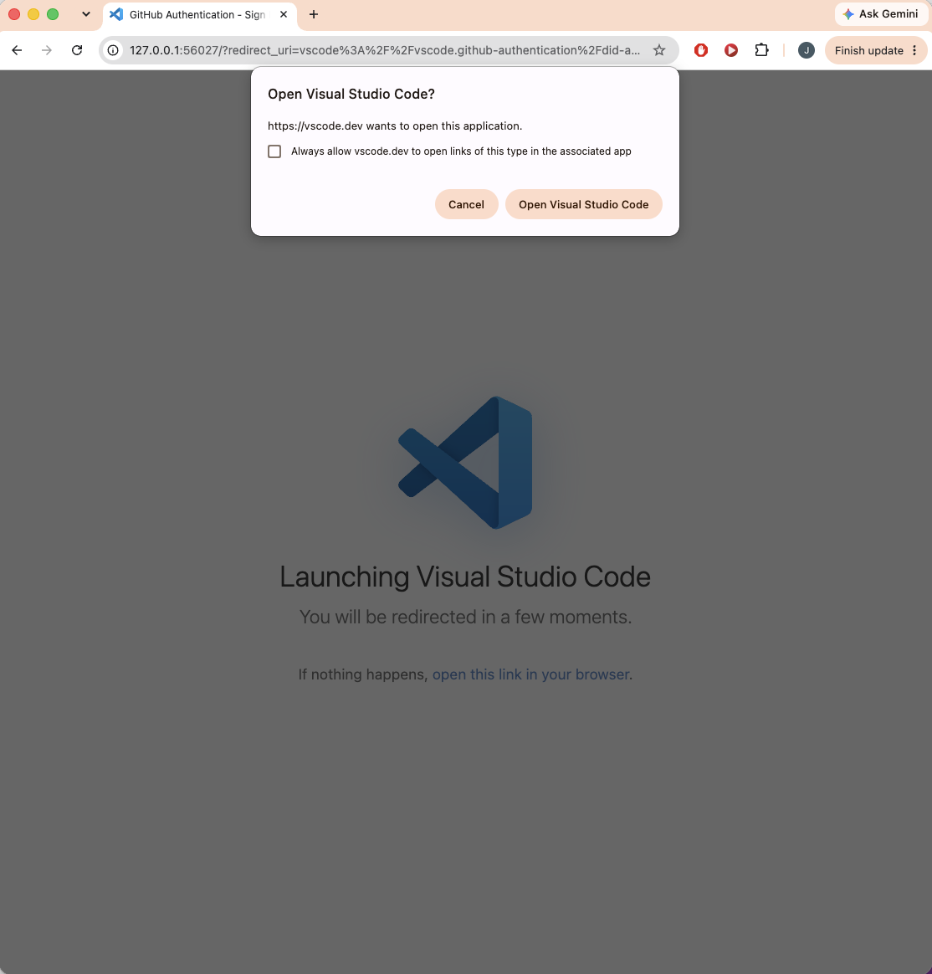
Step6. | Connect your visual studio to your github.

